Thick quad
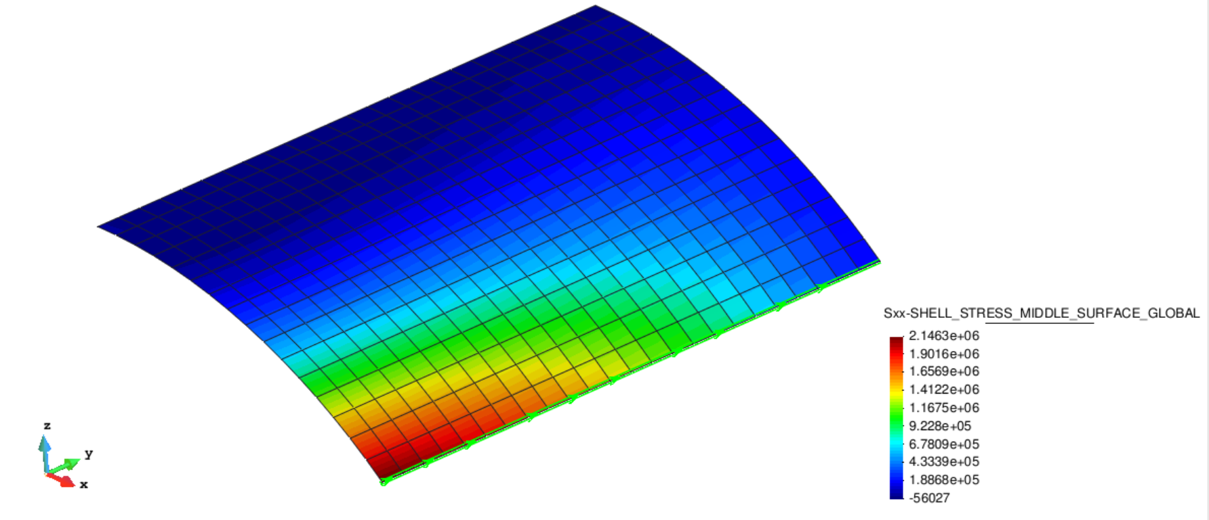
 | Line Graph in Kratos_Quadrilateral3D4_Mesh_0 ( 2). Step 1.1 |  |  | Line Graph in Kratos_Quadrilateral3D4_Mesh_0 ( 4). Step 1.1
 | Distance | Sxx-SHELL_STRESS_MIDDLE_SURFACE_GLOBAL |  | Distance | Sxx-SHELL_STRESS_TOP_SURFACE_GLOBAL

1 | 0 | 2.15E+06 | 1 | 0 | 2073.67
2 | 1.04167 | 2.13E+06 | 2 | 1.04167 | 2340.03
3 | 2.08333 | 2.08E+06 | 3 | 2.08333 | 4071.71
4 | 3.125 | 2.03E+06 | 4 | 3.125 | 7098.17
5 | 4.16667 | 1.97E+06 | 5 | 4.16667 | 11232.7
6 | 5.20833 | 1.90E+06 | 6 | 5.20833 | 16296.7
7 | 6.25 | 1.83E+06 | 7 | 6.25 | 22126
8 | 7.29167 | 1.76E+06 | 8 | 7.29167 | 28557.7
9 | 8.33333 | 1.68E+06 | 9 | 8.33333 | 35443.3
10 | 9.375 | 1.59E+06 | 10 | 9.375 | 42640.6
11 | 10.4167 | 1.51E+06 | 11 | 10.4167 | 50015
12 | 11.4583 | 1.42E+06 | 12 | 11.4583 | 57439.6
13 | 12.5 | 1.33E+06 | 13 | 12.5 | 64795.1
14 | 13.5417 | 1.24E+06 | 14 | 13.5417 | 71970.6
15 | 14.5833 | 1.14E+06 | 15 | 14.5833 | 78863.7
16 | 15.625 | 1.05E+06 | 16 | 15.625 | 85381.1
17 | 16.6667 | 949286 | 17 | 16.6667 | 91438.3
18 | 17.7083 | 849754 | 18 | 17.7083 | 96959.9
19 | 18.75 | 748720 | 19 | 18.75 | 101879
20 | 19.7917 | 646277 | 20 | 19.7917 | 106139
21 | 20.8333 | 542515 | 21 | 20.8333 | 109691
22 | 21.875 | 437525 | 22 | 21.875 | 112494
23 | 22.9167 | 331401 | 23 | 22.9167 | 114519
24 | 23.9583 | 224241 | 24 | 23.9583 | 115742
25 | 25 | 170416 | 25 | 25 | 116152

